Attendance
Attendance and barometer

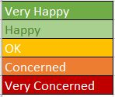
 |  | Name 1 | Name 2 | Name 3 | Name 4
M | Enter date
T
W
T
F

M
T
W
T
F

M
T
W
T
F

M
T
W
T
F

